Instructions
How to use this tracking sheet
1. Start by implementing environmental marking with fluorescent solution as described below
2. Use the CDC Environmental Cleaning Checklist (below, referred as check sheet) to collect results from environmental marking
3. Have one sheet for each day you are doing environmental cleaning assessments (print additional sheets if needed)
4. The fist row in each tab is an example
5. Once data is collected for the day, enter results in the corresponding month tab
6. The spreadsheet will make calculations automatically and provide compliance rates
7. In the 'Overall Rates' tab you will be able to see a month-by-month progress for your facility
8. This instrument provides important data to be shared during Infection Control and QAPI (Quality Assurance Performance Improvement) meetings

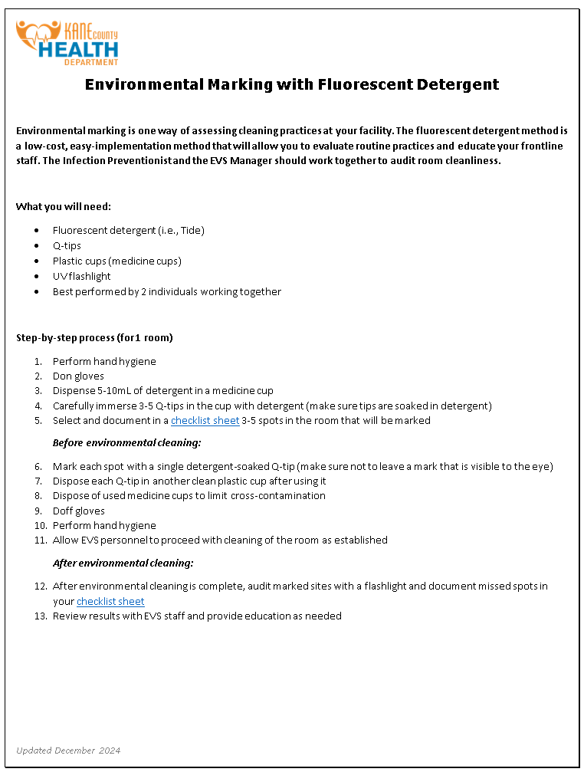
Additional recommendations and resources
-Rotate the spots you mark
-High-touch surfaces examples: bed frames, bed rails, tray tables, bedside tables, moveable lamps, door handles, chair armrests, bathroom handles, faucets, light switches, bed controls, monitor controls, IV/medication poles
-Repeat environmental auditing frequently
-Start with a higher frequency, such as 2 or 3 times a week, covering different EVS shifts
-Once environmental cleaning effectiveness reaches 90%, continue with monthly and then quarterly audits.
-Share EVS assessment data in QAPI and IP meetings

CDC Environmental Cleaning Checklist

Hektoen Environmental Marking Training Video

CDC Options for Evaluating Environmental Cleaning

Overall Results
ENVIRONMENTAL CLEANING ASSESSMENT Tracking Sheet
Organization's name:

Monthly Environmental Cleaning Rates

January | #DIV/0!
February | #DIV/0!
March | #DIV/0!
April | #DIV/0!
May | #DIV/0!
June | #DIV/0!
July | #DIV/0!
August | #DIV/0!
September | #DIV/0!
October | #DIV/0!
November | #DIV/0!
December | #DIV/0!

